FAQs
Frequently Asked Questions for Dormitory Operators

Q: What is this template used for? A: This template is used for recording dormitory room and unit data, including details like dormitory name, address, and bed capacity for each room, facilitating registration of workers to these units in Online Foreign Worker Address Service (OFWAS)

Q: Are all fields mandatory? A: All fields are mandatory as they are essential for proper room identification within the dormitory. If the dormitory does not have mezzanine, you may leave mezzanine column empty.

Q: How should I format the Dorm ID? A: The Dorm ID should follow the FEDA License format, starting with "DORM-" followed by a 5-digit number (e.g., DORM-00001). The Dorm ID is found in the FEDA License.

Q: How should I enter the Postal Code that starts with 0? A: Singapore postal codes must be exactly 6 digits long. For postal codes beginning with zero, add an apostrophe (') before the number, for example: '012345.

Q: What is the correct format for Block Numbers? A: Block numbers can contain: • Numbers only (e.g., 1, 2, 3) • Uppercase letters only (e.g., A, B, C) • A combination of both (e.g., 1A, B2) up to 5 characters

Q: How should Floor Numbers be formatted? A: Floor numbers must follow these rules: • Single digits must include a leading zero (e.g., 02 for floor 2) • Double digits can be entered as is (e.g., 12) • Special floors can use eg, 'R' for rooftops or 'B' for basement or 'M' mezzanine for special levels. Alphabets for non-special floors should be avoided.

Q: What is the correct format for Unit Numbers? A: Unit numbers must follow these rules: • Single digits must include a leading zero (e.g., 03 for unit 3) • Double digits can be entered as is (e.g., 20) •Alphabets except "I" and "O" are allowed

Q: What is classified as internal block? A: If same postal code has more than 1 block, it is classified as internal block.

Q: How do I know if my FCD has a Mezzanine level and how to fill up the Mezzanine column? A: Refer to your floor plan and description to confirm if there are any mezzanine level. If the layout of your FCD is either 2nd or 3rd layout examples, you are required to label the Mezzanine. If your FCD layout is similar to 1st layout, you may leave the mezzanine column empty. If you are unsure about your dormitory layout, pls consult your QP.

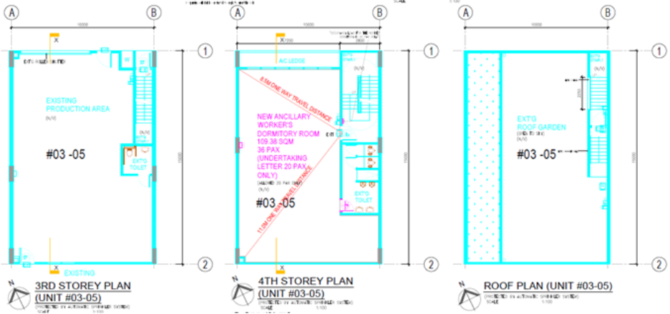 1st Layout example for dormitories with Mezzanine: Mezzanine unit 03-05 with 3 storeys where 4th storey is the residential unit for foreign workers. Displayed Format: Line 1: Block number + Street name Line 2: [Floor Number] - [Unit Number] Line 3: Country + Postal code Address Format for dormitory: 3A Tengah Road 03-05 Singapore 698814

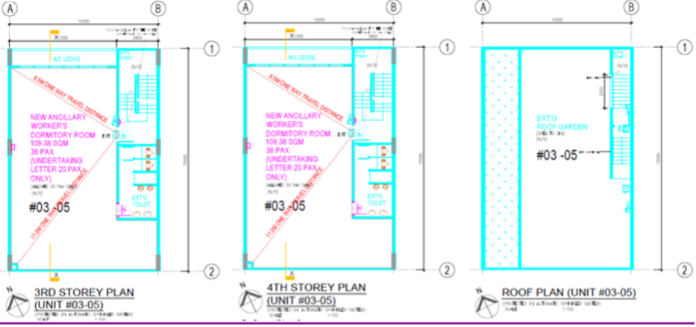 2nd Layout example for dormitories with Mezzanine: Mezzanine unit 03-05 with 3 storeys where 3rd and 4th storey are the residential space for foreign workers. 3rd and 4th storey will be treated as 2 different unit, differentiated by letter “A” and “B” Displayed Format: Line 1: Block number + Street name Line 2: [Floor Number] - [Unit Number] [Mezzanine Room A-Z] Line 3: Country + Postal code

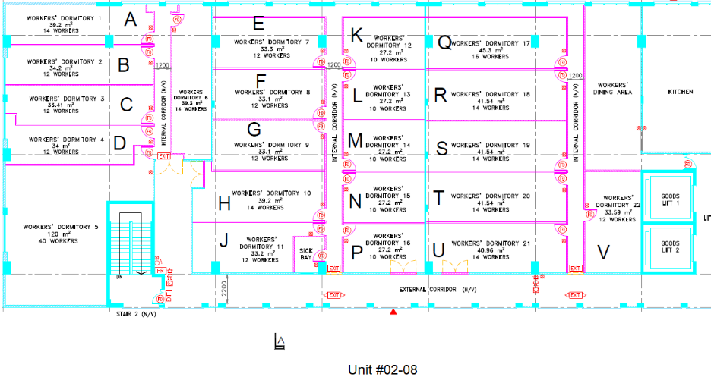 3rd Layout example for dormitories with Mezzanine: Mezzanine unit 02-08 with 20 residential rooms for foreign workers (Letter A to V to represent the 20 rooms, excluding letter “O” and “I”) Displayed Format: Line 1: Block number + Street name Line 2: [Floor Number] - [Unit Number] [Mezzanine Room A-Z] Line 3: Country + Postal code

Q: What is display address format? A: The display address is the full address that indicates the specific room address. This address will be shown in the Online Foreign Worker Address Service (OFWAS), and work pass holders will use it to register in OFWAS. The display address should be also used when DO update the workers' nominal roll to MOM.

Q: What if some of my units are "kiosk" ie minimarts, ATMS , communal areas and used for non-residential units? A: Please fill in the column under "Remarks", please enter what is it used for. For FCDs, you are not required to fill up the Non-Residential Units.

Q: How should number of beds per room be formatted? A: Number of beds per room must be whole number from 1 to 999.

Q: Must the no. of beds declared in the template tally with my approved Occupancy Load applied in my FEDA licence? A: Yes, the total number of beds must tally with the FCD's approved occupancy load stated in the FEDA licence. You must ensure that the total number of beds does not exceed or fall short of what is approved. For example, if you have 20 beds in total but are only utilising 8 beds, you should still declare the addresses for all 20 beds that were approved.

Q: My company operates multiple FCDs. Can I combine the submissions for all FCDs using one template? A: No, please use separate template and FormSG submission for each dormitory.

Q: I currently have the records of the dormitory block(s), floor(s), unit(s) and room(s) in a different format. Am I able to submit this copy to MOM instead? A: No, Dormitory Operators are required to use the template provided and adhere to the formats spelled out above.

Q: My dormitory does not have a Dormitory Name. Am I supposed to create one? A: You do not have to create one. Please indicate “NA” if there is no dormitory name for your FCD.

Q: My FCD is within a multi-user industrial development with multiple rooms and my house number is a unit number, how should I enter the rooms’ unit numbers. A: If your FCD's address is 15 Kaki Bukit Road #01-290 and have 3 workers' living units, you may record the address as follow: Room 1: Block number: 15 , Street Name: Kaki Bukit Road, House/block Number: 15, Floor: 01, Unit: 290A Room 2: Block number: 15 , Street Name: Kaki Bukit Road, House/block Number: 15, Floor: 01, Unit: 290B Room 3: Block number: 15 , Street Name: Kaki Bukit Road, House/block Number: 15, Floor: 01, Unit: 290C Refer to 3rd layout example.

Q: Do I need to re-register workers in OFWAS after I submit this template? A: There is no follow up action required at this juncture. We will share more information with dormitory operators once the addresses are ready for registration.

